Nitro Mesuring Data
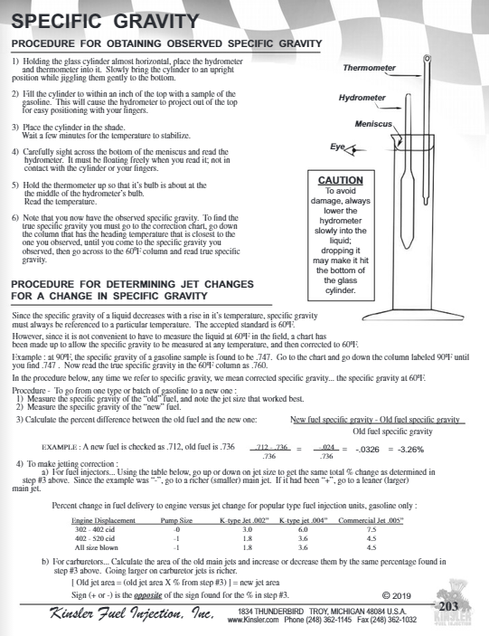
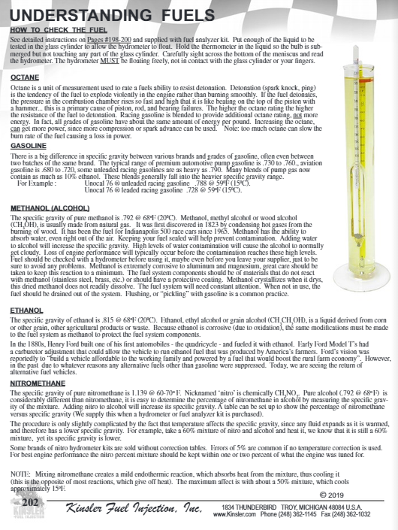
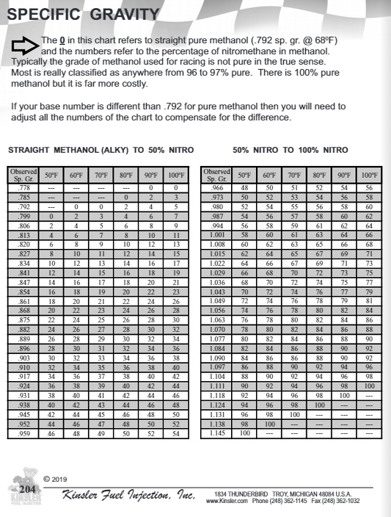
https://www.kinsler.com/Kinsler-Handbook/HTML/202/
 | Original Reference

